A - Residential Service
10 -Year Rate History
 | Distribution/Other (2) | Transmission | Standard Offer
2014 | $0.067952 | $0.009617 | $0.082942
2015 | $0.055511 | $0.008049 | $0.084930
2016 | $0.055506 | $0.008076 | $0.082595
2017 | $0.061145 | $0.007334 | $0.070669
2018 | $0.063832 | $0.007138 | $0.074230
2019 | $0.064834 | $0.010627 | $0.084610
2020 | $0.067677 | $0.017191 | $0.067294
2021 | $0.072445 | $0.021277 | $0.060267
2022 | $0.077935 | $0.020269 | $0.110873
2023 | $0.086260 | $0.024110 | $0.148790

Distribution/Other rates increased 26.94% from $0.06795 to $0.08626 between 2014 and 2023.
Transmission rates increased 150.70% from $0.00962 to $0.02411 between 2014 and 2023.
Standard offer rates increased 79.39% from $0.08294 to $0.14879 between 2014 and 2023.

Note: Source data Provided by utility in Docket No. 2019-00186

AH - Home Heating Eco Rate
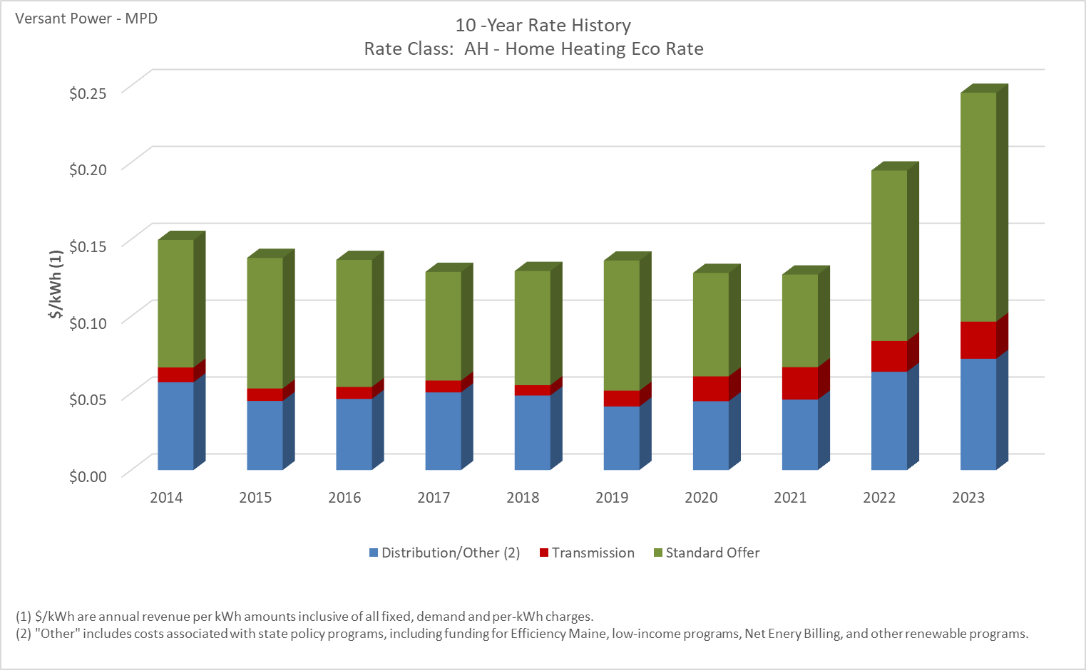

Distribution/Other rates increased 26.82% from $0.05708 to $0.07239 between 2014 and 2023.
Transmission rates increased 150.90% from $0.00962 to $0.02414 between 2014 and 2023.
Standard offer rates increased 79.39% from $0.08294 to $0.14879 between 2014 and 2023.

Note: Source data Provided by utility in Docket No. 2019-00186

AHN - Home Heating Eco Rate (Ne
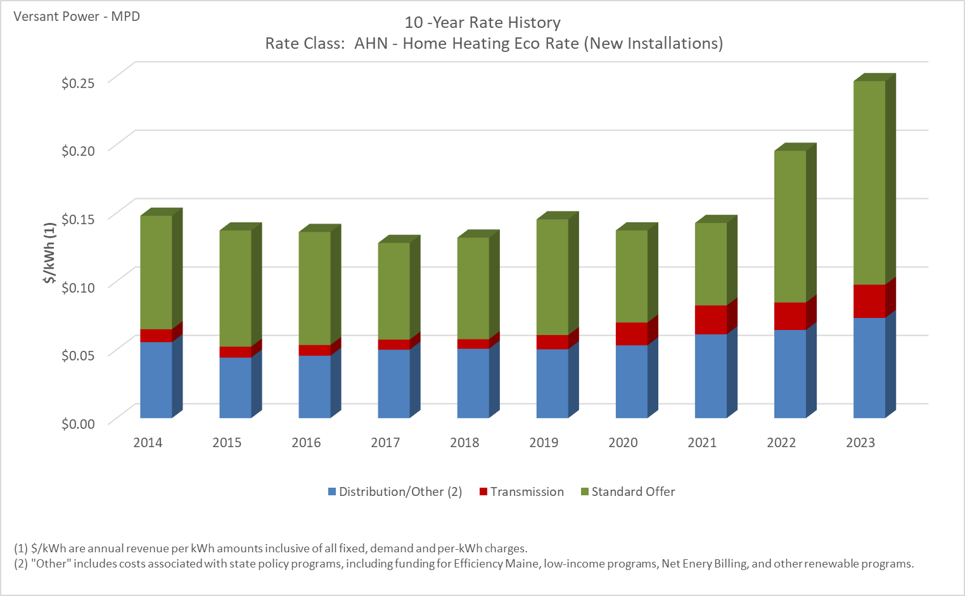

Distribution/Other rates increased 31.96% from $0.05552 to $0.07327 between 2014 and 2023.
Transmission rates increased 156.23% from $0.00948 to $0.02428 between 2014 and 2023.
Standard offer rates increased 79.39% from $0.08294 to $0.14879 between 2014 and 2023.

Note: Source data Provided by utility in Docket No. 2019-00186

C - Business Eco Rate
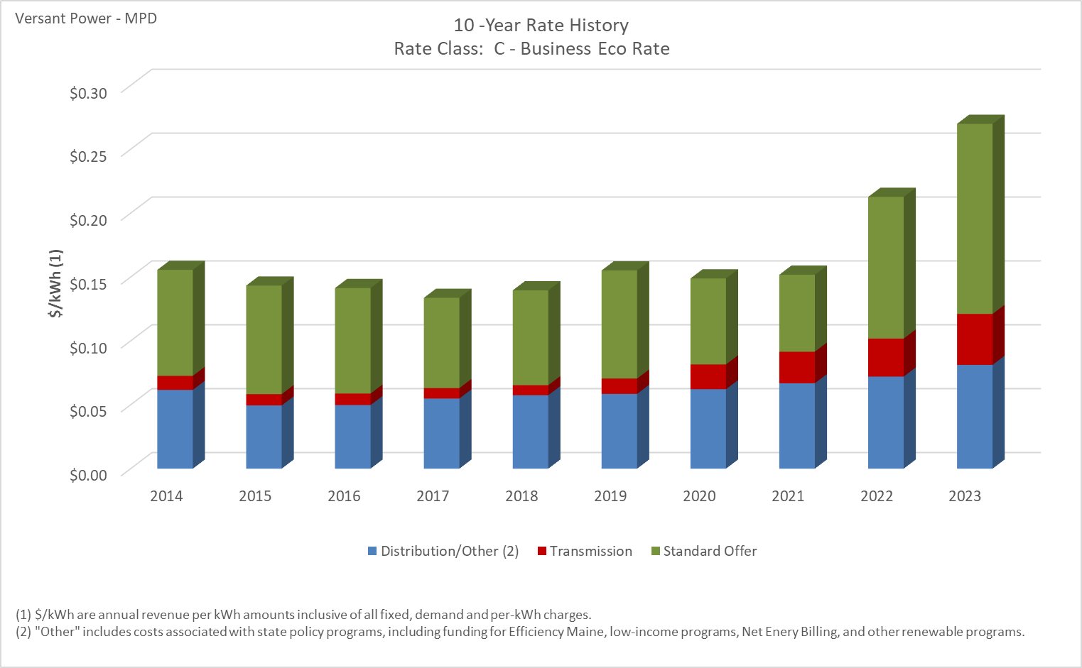

Distribution/Other rates increased 31.82% from $0.06164 to $0.08126 between 2014 and 2023.
Transmission rates increased 261.94% from $0.01101 to $0.03985 between 2014 and 2023.
Standard offer rates increased 79.39% from $0.08294 to $0.14879 between 2014 and 2023.

Note: Source data Provided by utility in Docket No. 2019-00186

D2 - Municipal Water Pumping Se
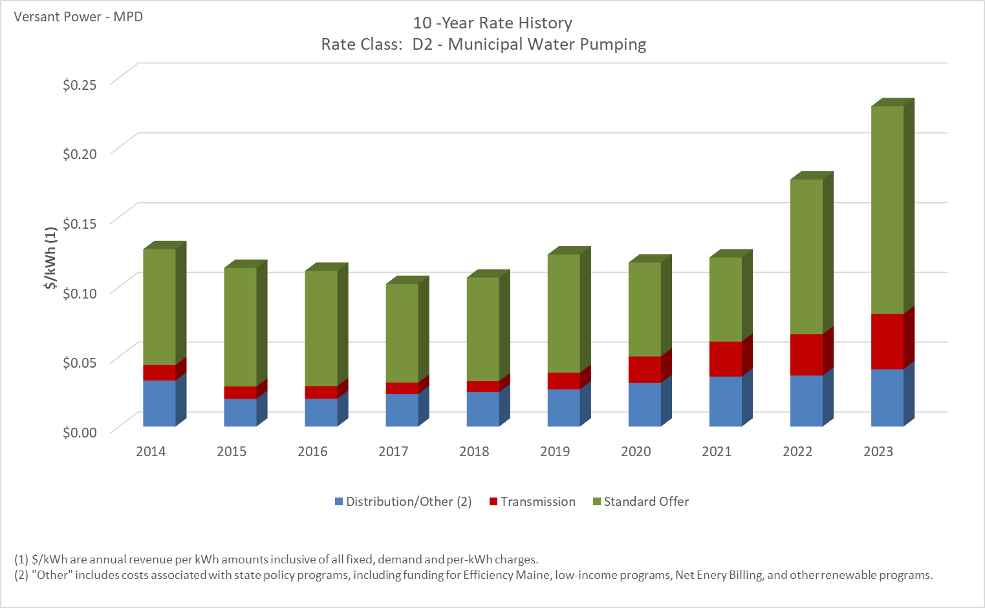

Distribution/Other rates increased 24.30% from $0.03302 to $0.04105 between 2014 and 2023.
Transmission rates increased 257.19% from $0.01111 to $0.03967 between 2014 and 2023.
Standard offer rates increased 79.39% from $0.08294 to $0.14879 between 2014 and 2023.

Note: Source data Provided by utility in Docket No. 2019-00186

EP - Medium Power Svc Primary
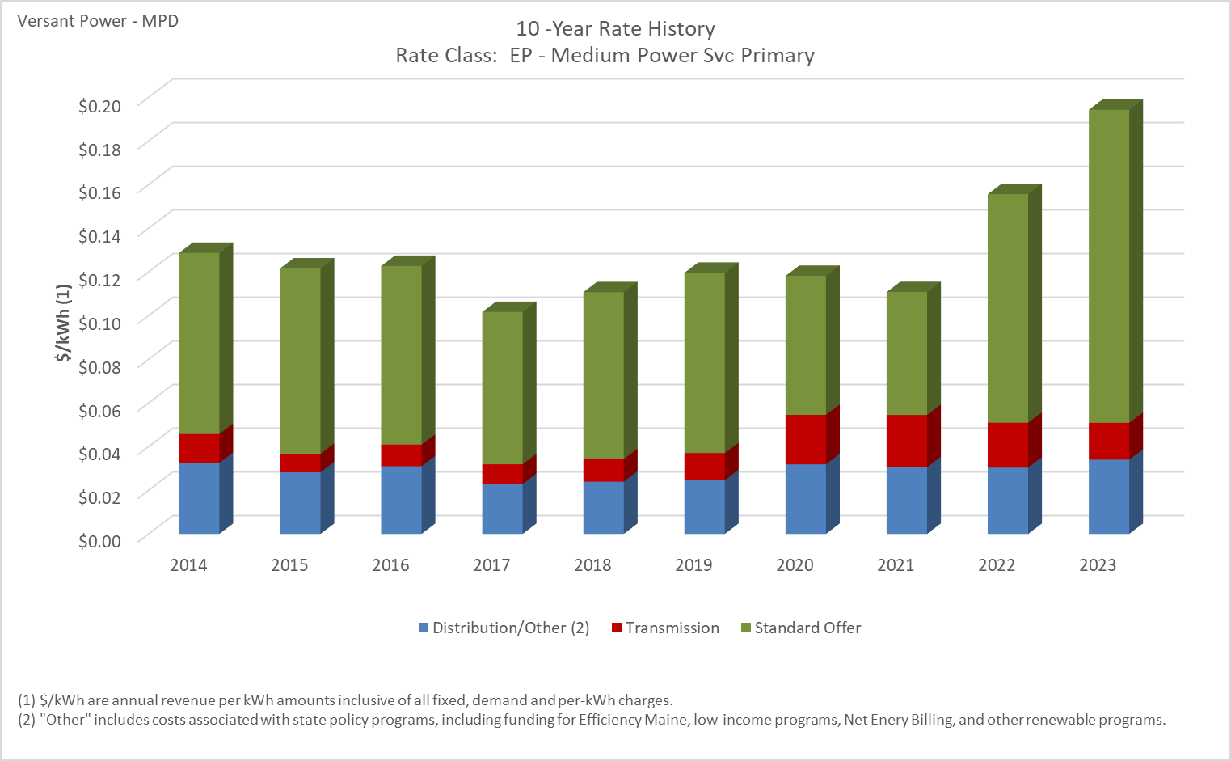

Distribution/Other rates increased 4.47% from $0.03254 to $0.03400 between 2014 and 2023.
Transmission rates increased 27.82% from $0.01321 to $0.01688 between 2014 and 2023.
Standard offer rates increased 72.88% from $0.08294 to $0.14339 between 2014 and 2023.

Note: Source data Provided by utility in Docket No. 2019-00186

EPT -Lrg Pwr Svc - Primary TOU
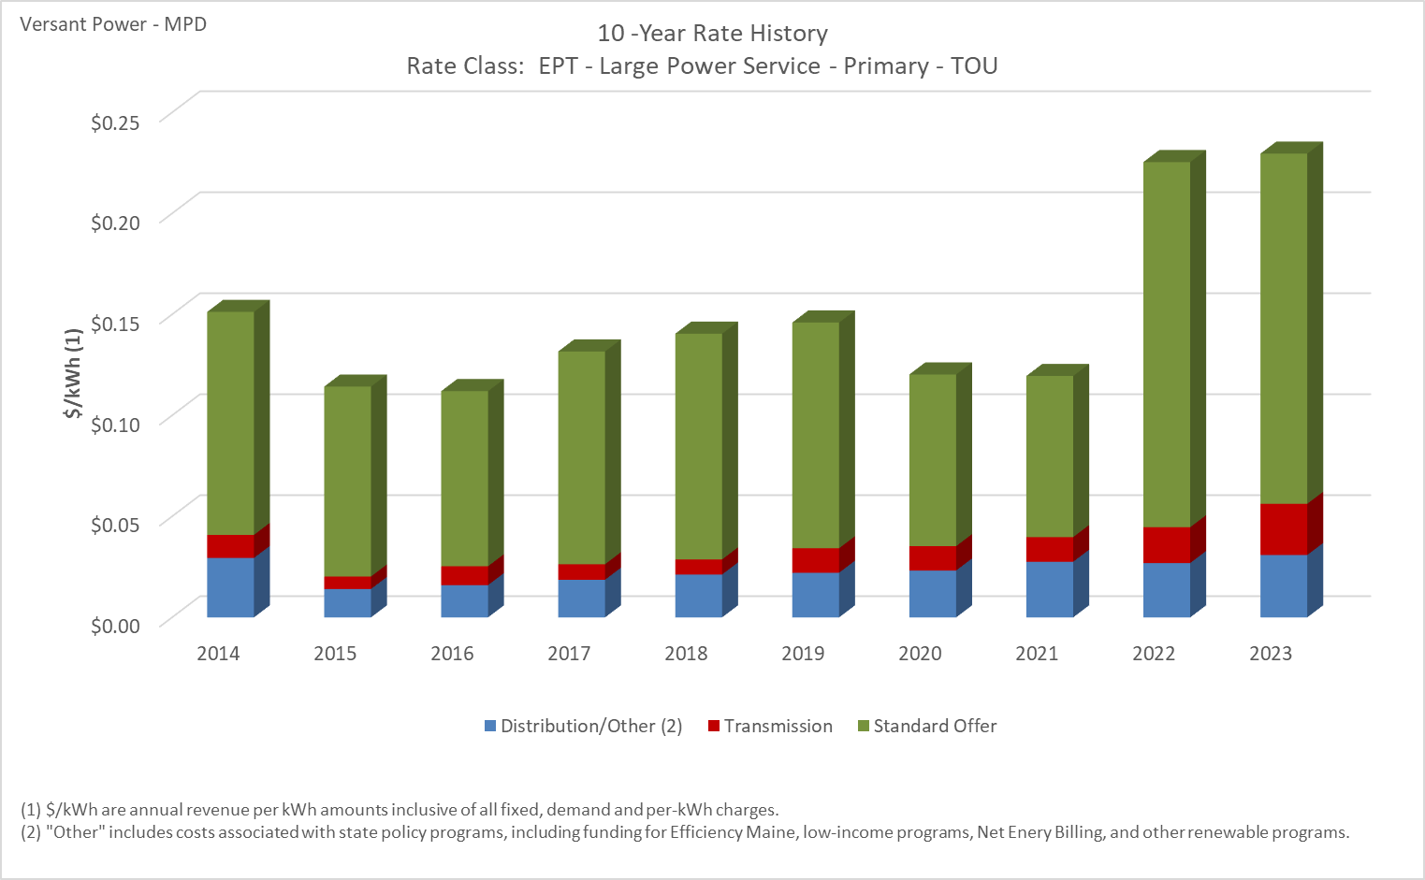

Distribution/Other rates increased 4.88% from $0.02943 to $0.03087 between 2014 and 2023.
Transmission rates increased 122.08% from $0.01141 to $0.02535 between 2014 and 2023.
Standard offer rates increased 57.05% from $0.11041 to $0.17339 between 2014 and 2023.

Note: Source data Provided by utility in Docket No. 2019-00186

ES - Med Power Svc Secondary
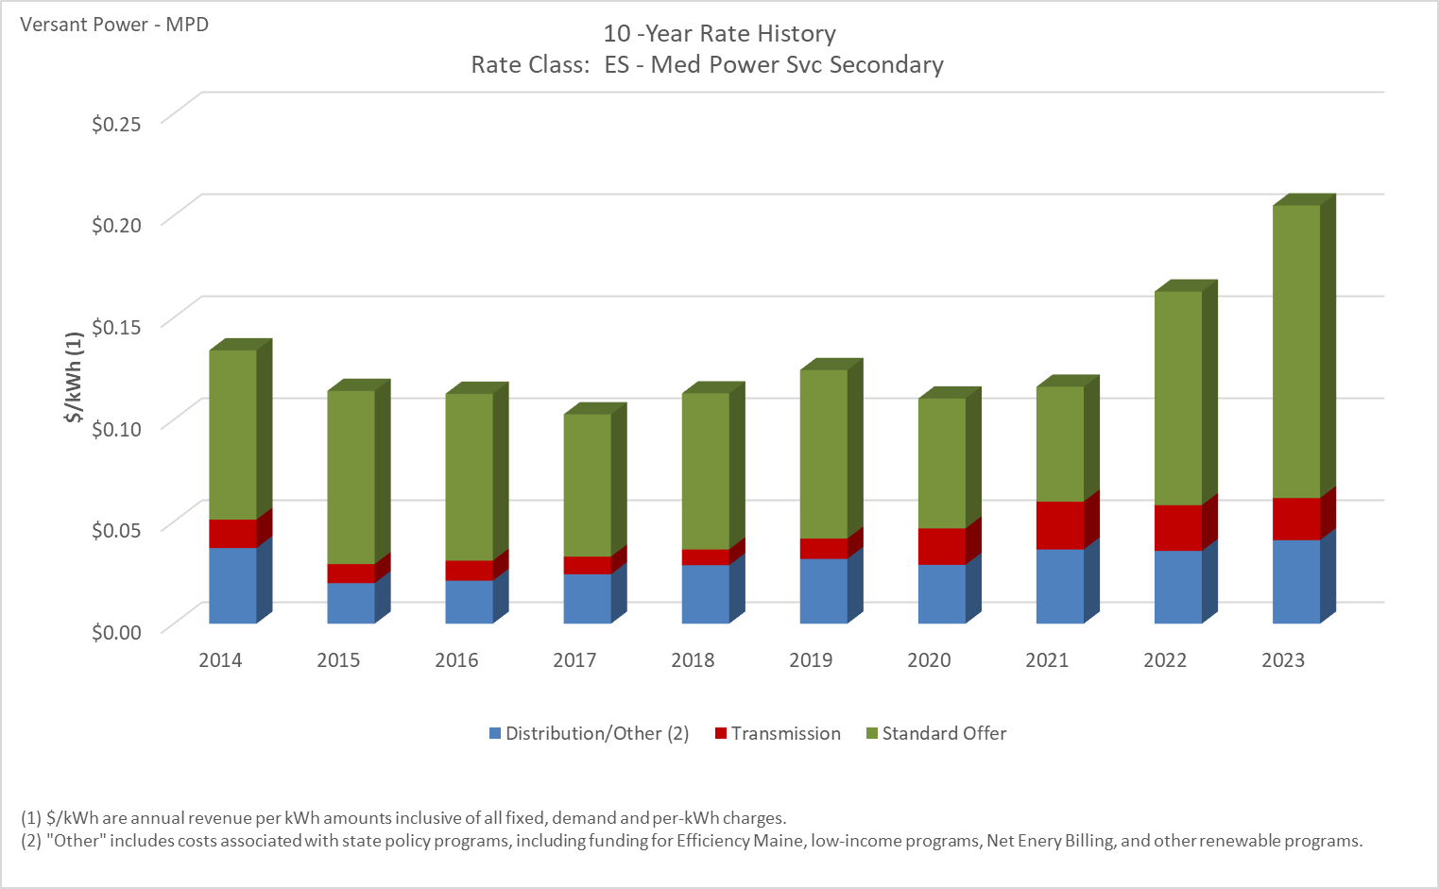

Distribution/Other rates increased 10.52% from $0.03709 to $0.04099 between 2014 and 2023.
Transmission rates increased 47.82% from $0.01393 to $0.02059 between 2014 and 2023.
Standard offer rates increased 72.88% from $0.08294 to $0.14339 between 2014 and 2023.

Note: Source data Provided by utility in Docket No. 2019-00186

EST - Lg Pwr Svc -Secondary TOU
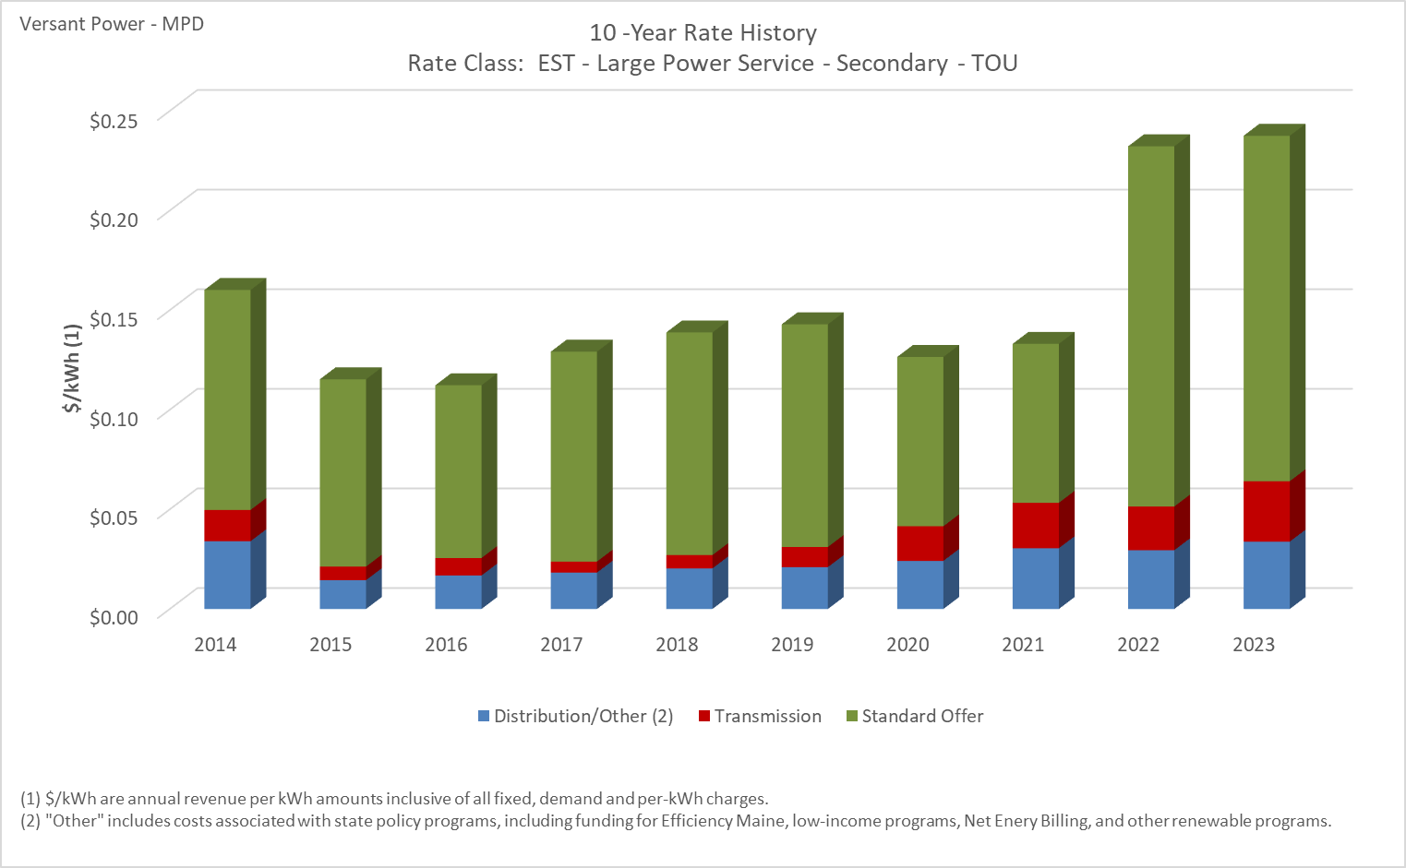

Distribution/Other rates decreased 0.61% from $0.03402 to $0.03381 between 2014 and 2023.
Transmission rates increased 93.12% from $0.01571 to $0.03033 between 2014 and 2023.
Standard offer rates increased 57.05% from $0.11041 to $0.17339 between 2014 and 2023.

Note: Source data Provided by utility in Docket No. 2019-00186

F -Agricultural Produce Storage
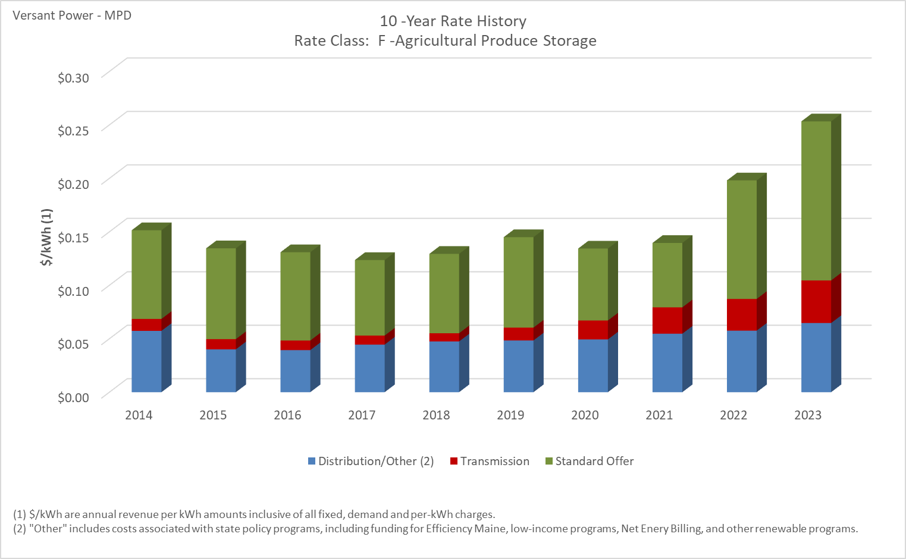

Distribution/Other rates increased 12.76% from $0.05736 to $0.06468 between 2014 and 2023.
Transmission rates increased 256.37% from $0.01117 to $0.03982 between 2014 and 2023.
Standard offer rates increased 79.39% from $0.08294 to $0.14879 between 2014 and 2023.

Note: Source data Provided by utility in Docket No. 2019-00186

HT - Tran Pwr Svc TOU
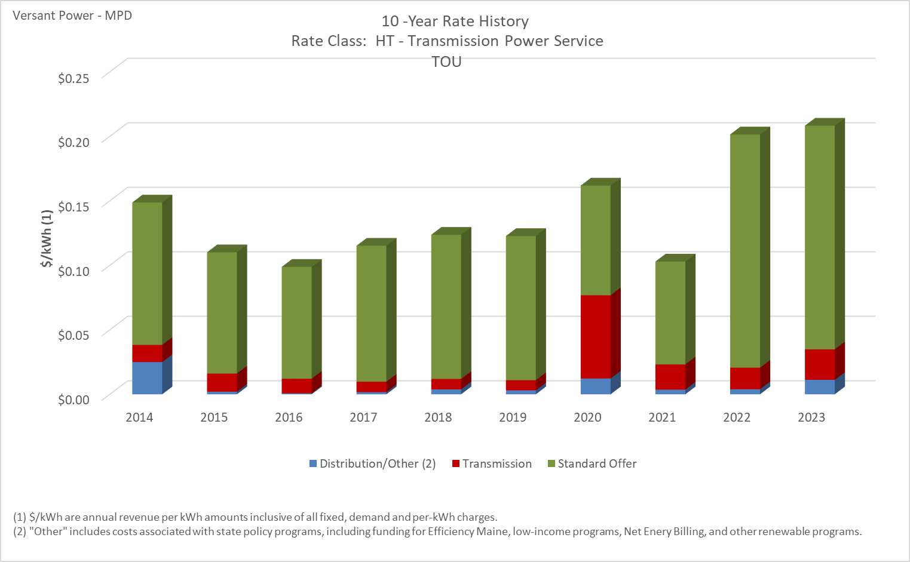

Distribution/Other rates decreased 55.18% from $0.02497 to $0.01119 between 2014 and 2023.
Transmission rates increased 77.22% from $0.01333 to $0.02363 between 2014 and 2023.
Standard offer rates increased 57.05% from $0.11041 to $0.17339 between 2014 and 2023.

Note: Source data Provided by utility in Docket No. 2019-00186

 | \

ST - SubTran Pwr Svc TOU
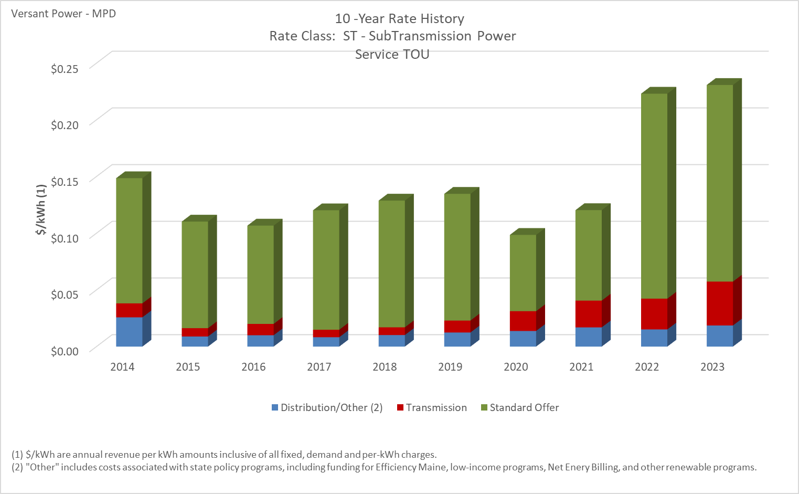

Distribution/Other rates decreased 27.94% from $0.02583 to $0.01861 between 2014 and 2023.
Transmission rates increased 214.76% from $0.01230 to $0.03872 between 2014 and 2023.
Standard offer rates increased 57.05% from $0.11041 to $0.17339 between 2014 and 2023.

Note: Source data Provided by utility in Docket No. 2019-00186

SL - Street Lighting
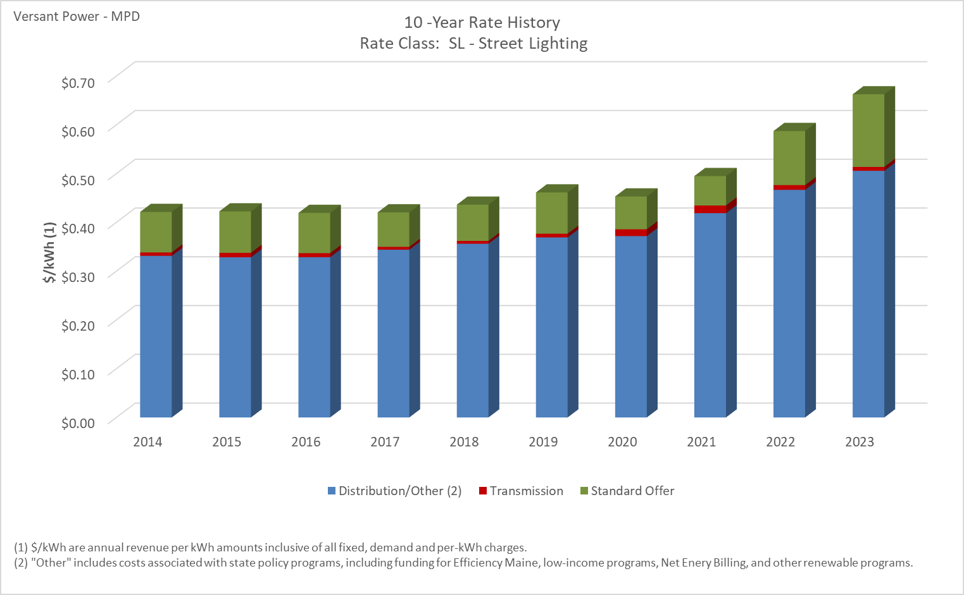

Distribution/Other rates increased 52.63% from $0.33131 to $0.50567 between 2014 and 2023.
Transmission rates increased 13.93% from $0.00709 to $0.00808 between 2014 and 2023.
Standard offer rates increased 79.39% from $0.08294 to $0.14879 between 2014 and 2023.

Note: Source data Provided by utility in Docket No. 2019-00186

SL2 - Municipal Street Lighting
10 -Year Rate History
 | Distribution/Other (2) | Transmission | Standard Offer
2014 | $- | $- | $-
2015 | $- | $- | $-
2016 | $- | $- | $-
2017 | $- | $- | $-
2018 | $- | $- | $-
2019 | $- | $- | $-
2020 | $- | $- | $-
2021 | $0.055058 | $0.016152 | $0.060267
2022 | $0.059190 | $0.009680 | $0.110873
2023 | $0.064100 | $0.008210 | $0.148790

Distribution/Other rates increased 16.42% from $0.05506 to $0.06410 between 2021 and 2023.
Distribution/Other rates decreased 49.17% from $0.01615 to $0.00821 between 2021 and 2023.
Distribution/Other rates increased 146.88% from $0.06027 to $0.14879 between 2021 and 2023.

Note: Source data Provided by utility in Docket No. 2019-00186

T - Outdoor Lighting
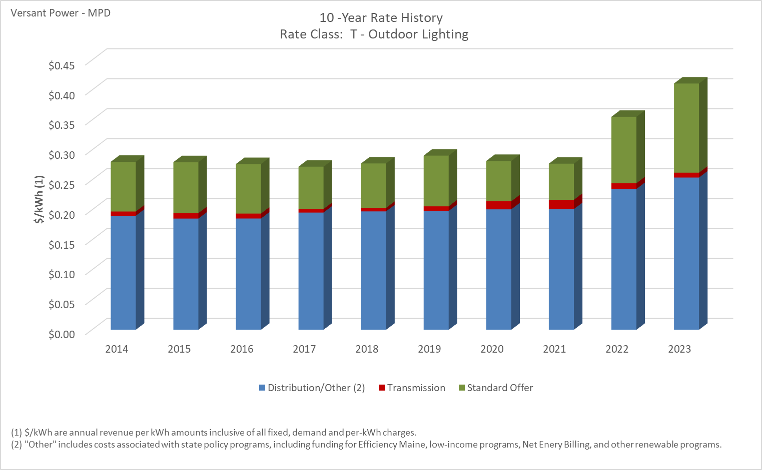

Distribution/Other rates increased 33.53% from $0.19021 to $0.25398 between 2014 and 2023.
Transmission rates increased 14.22% from $0.00710 to $0.00811 between 2014 and 2023.
Standard offer rates increased 79.39% from $0.08294 to $0.14879 between 2014 and 2023.

Note: Source data Provided by utility in Docket No. 2019-00186

