COVER
2020
Municipal Valuation Return
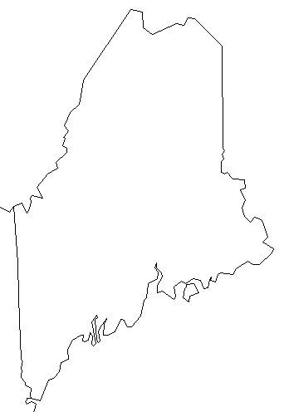

DUE DATE - NOVEMBER 1, 2020 (or within 30 days of commitment, whichever is later)

Mail the signed original to Maine Revenue Services, Property Tax Division,
PO Box 9106, Augusta, ME 04332-9106 and affix copy to front cover of Municipal Valuation book.

For help in filling out this return, please see the Municipal Valuation Return Guidance Document at www.maine.gov/revenue/forms/property/appsformspubs.htm

